CLUBS
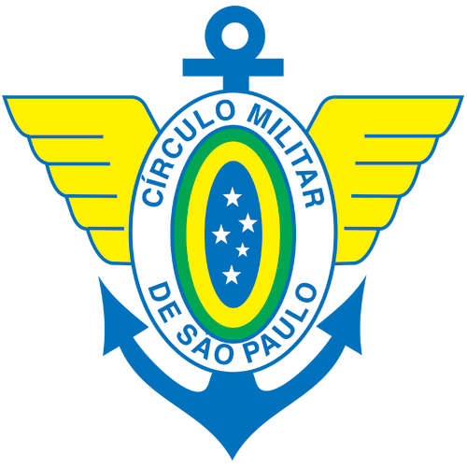

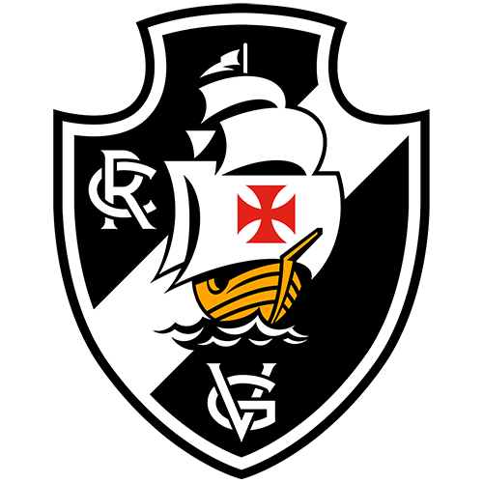
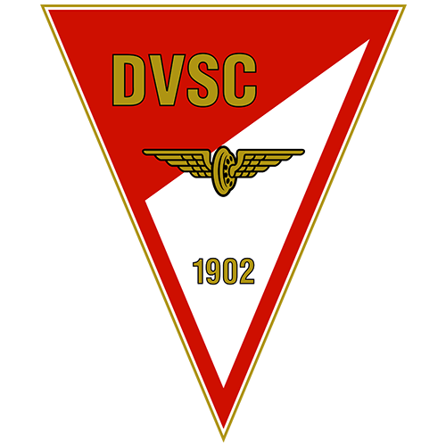
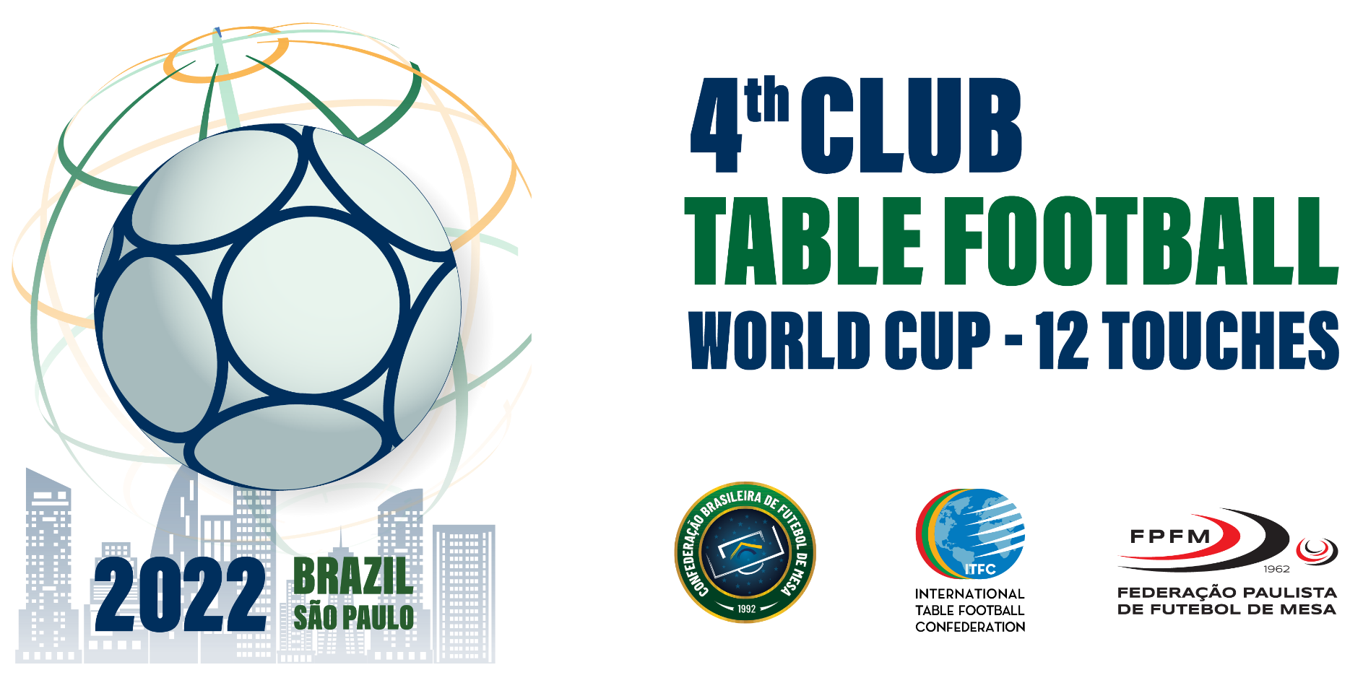

CLUBS

TABLES

 |  |  | 4th CLUB TABLE FOOTBALL

 |  |  | WORLD CUP - 12 TOUCHES
 |  |  | BRAZIL/SÃO PAULO
 |  |  | 2022
Grp | Round | Date/Hour | Tables | Games |  |  |  |  |  |  |  |  |  | Criteria

1 | 1st | 2022-10-08 | 1 to 4 | CIRCULO MILITAR (🇧🇷) |  |  |  |  | SE PALMEIRAS (🇧🇷) |  |  |  |  | 2 | 3
1 |  | 9:00:00 | - | CR VASCO DA GAMA (🇧🇷) |  |  |  |  | DAY OFF |  |  |  |  | 1 | 4
1
1 | 2nd | 2022-10-08 | 1 to 4 | LOSER GAME 1 |  |  |  |  | CR VASCO DA GAMA (🇧🇷) |  |  |  |  | 3 | 1
1 |  | 11:30:00 | - | DAY OFF |  |  |  |  | CIRCULO MILITAR (🇧🇷) |  |  |  |  | 4 | 2
1
1 | 3rd | 2022-10-08 | 1 to 4 | CR VASCO DA GAMA (🇧🇷) |  |  |  |  | WINNER GAME 1 |  |  |  |  | 1 | 2
1 |  | 15:00:00 | - | SE PALMEIRAS (🇧🇷) |  |  |  |  | DAY OFF |  |  |  |  | 3 | 4

 | Pos. | Clubs |  |  | PG | J | V | E | D | GP | GC | SG | SORT.
 | 1º | DAY OFF |  |  | 0 | 0 | 0 | 0 | 0 | 0 | 0 | 0 | ü
 | 2º | SE PALMEIRAS (🇧🇷) |  |  | 0 | 0 | 0 | 0 | 0 | 0 | 0 | 0 | ü
 | 3º | CIRCULO MILITAR (🇧🇷) |  |  | 0 | 0 | 0 | 0 | 0 | 0 | 0 | 0 | ü

 | èè | Classified for Final

 | Round | Date Hour | Tables | FINAL

Grp |  |  |  | Game |  |  |  |  |  |  |  |  |  | Ok

1 | FN | 9-oct 9:00 | 1 to 4 | DAY OFF |  |  |  |  | DEBRECENI VSC (🇭🇺) |  |  |  |  | 2

 |  | èèè | World Champion

